test
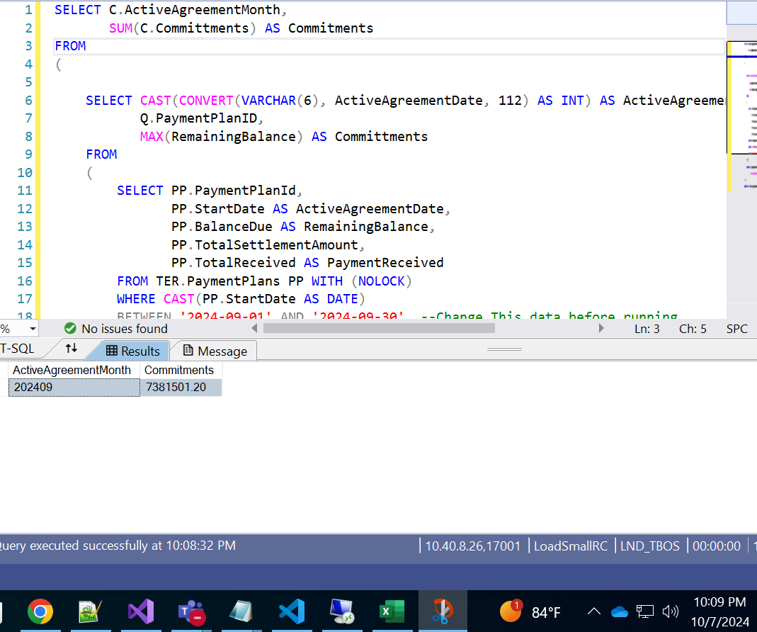
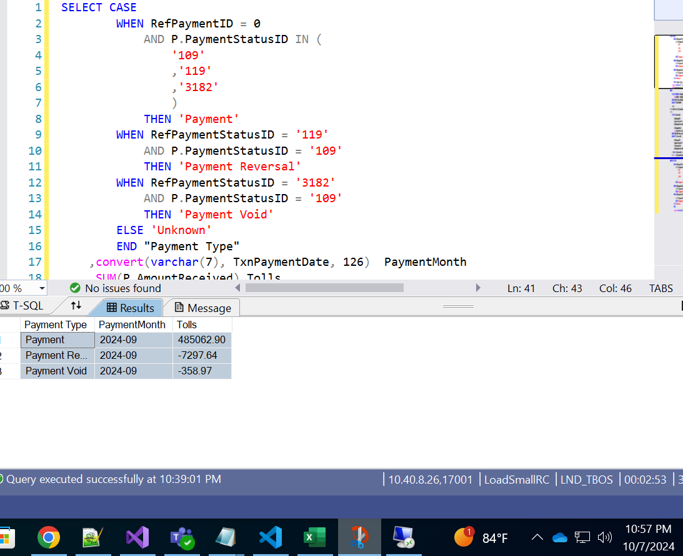
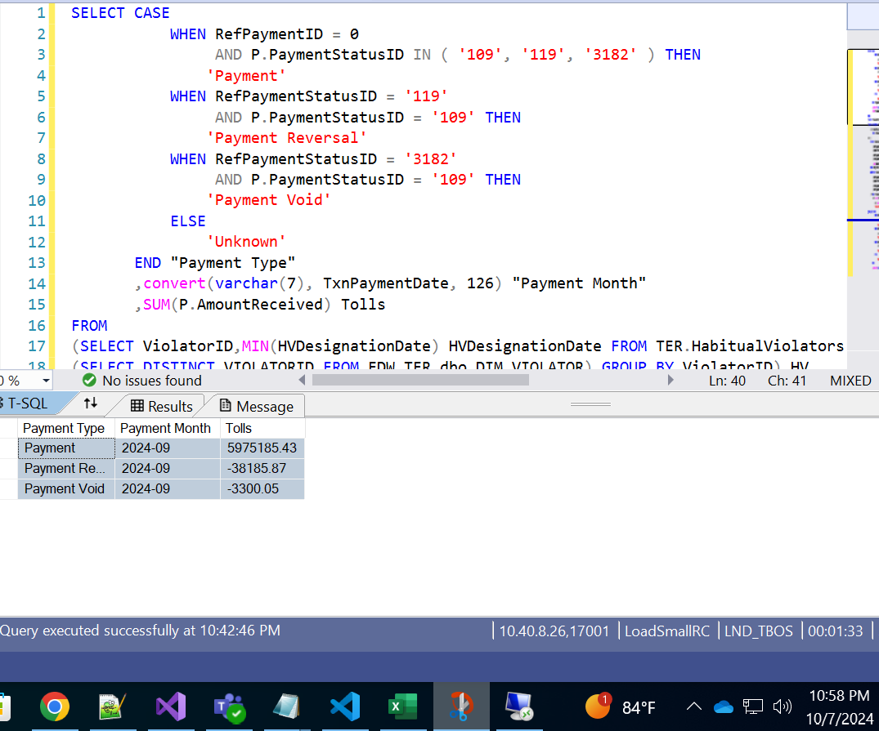
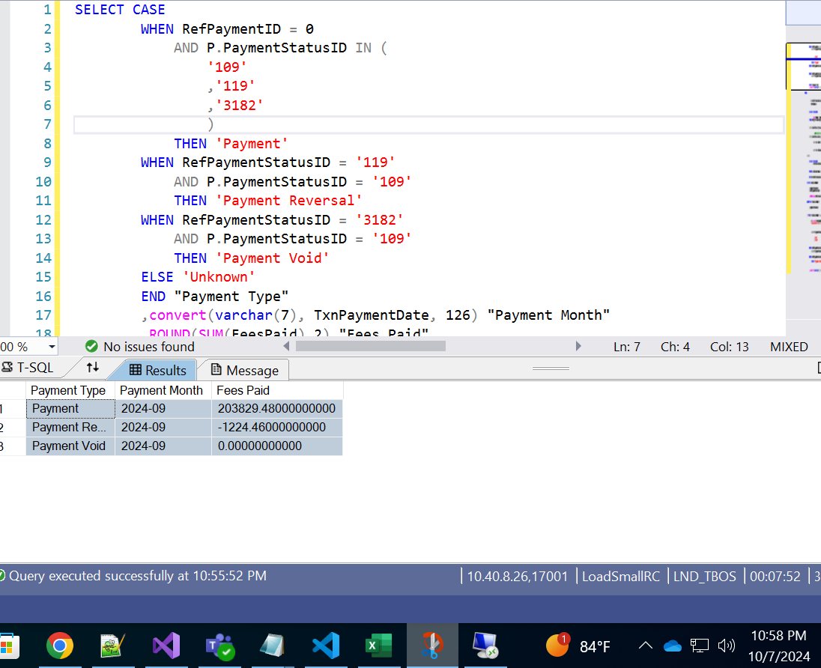
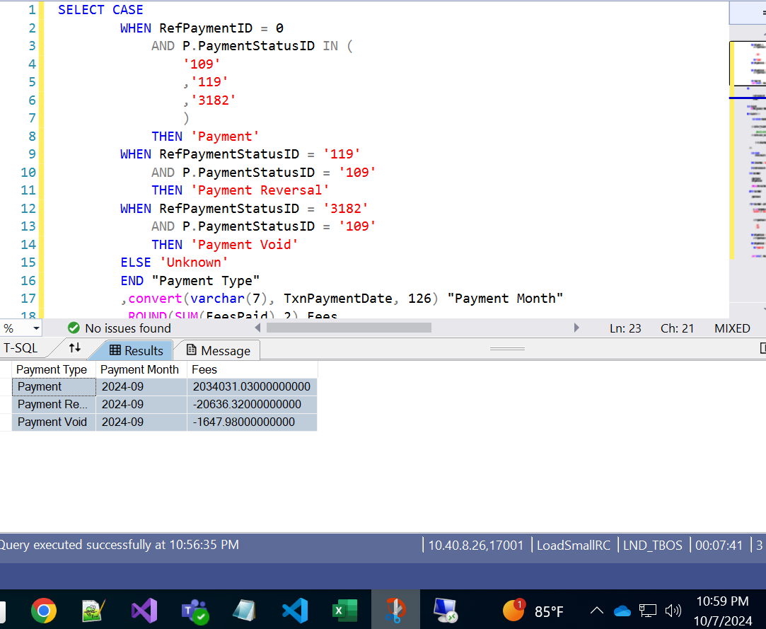
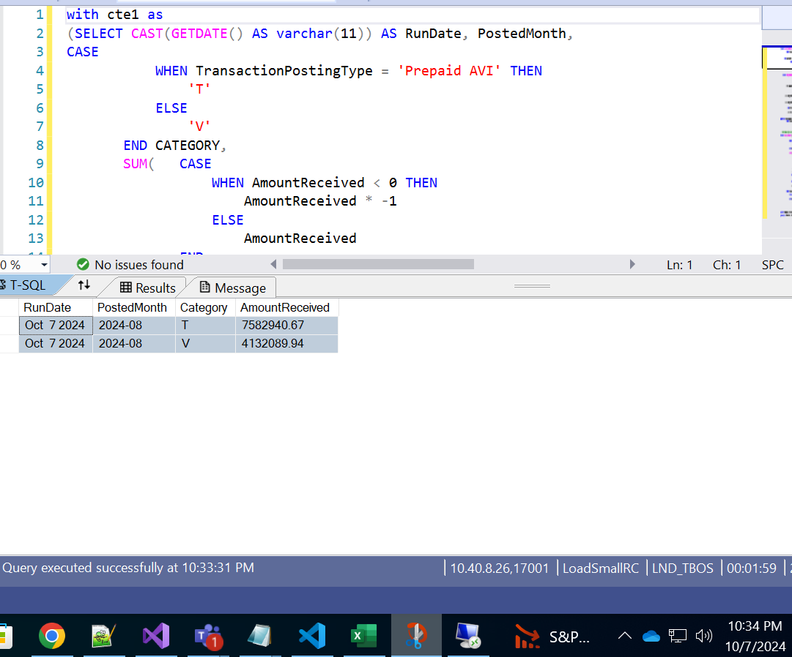
Date | RunTime | Type | Amount | Database | Run BY | Diff
2024-09-26 | 2024-09-26T12:01:50.859739 | Commitments | 7887685.04 | APS2 | Gouthami
2024-09-26 | 2024-09-26T12:01:50.859739 | Commitments | 7887685.04 | BigQuery | Dhanush | 0

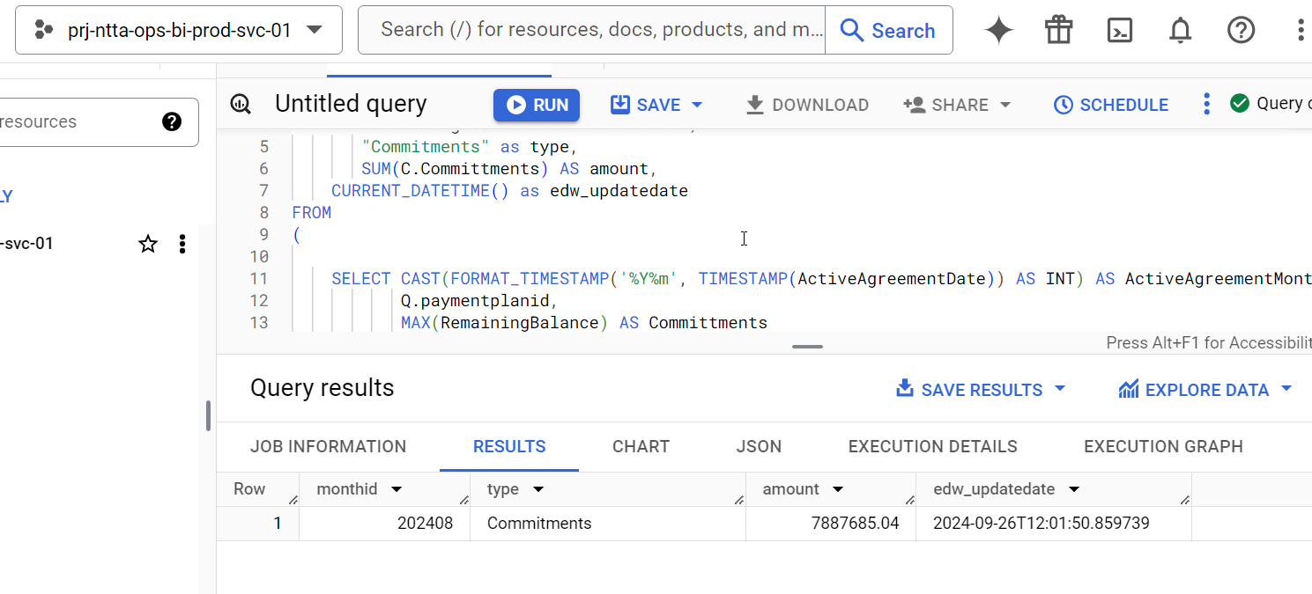

Date | RunTime | Type | Amount | Database | Run By | Diff
2024-09-26 | 2024-09-26T19:58:08.547475 | feepayment | 2395156 | APS2 | Gouthami
2024-09-26 | 2024-09-26T19:58:08.547475 | tollpayment | 6858559 | APS2 | Gouthami
2024-09-26 | 2024-09-26T19:58:08.547475 | feereversalpayment | -21230 | APS2 | Gouthami
2024-09-26 | 2024-09-26T19:58:08.547475 | tollreversalpayment | -40818.5 | APS2 | Gouthami
2024-09-26 | 2024-09-26T19:58:08.547475 | feevoidpayment | -2309.64 | APS2 | Gouthami
2024-09-26 | 2024-09-26T19:58:08.547475 | tollvoidpayment | -3518.3 | APS2 | Gouthami
2024-09-26 | 2024-09-26T19:58:08.547475 | feereversalpayment | -21229.96 | BigQuery | Dhanush | 0.040000000001
2024-09-26 | 2024-09-26T19:58:08.547475 | feepayment | 2395156.47 | BigQuery | Dhanush | 0.4700000002
2024-09-26 | 2024-09-26T19:58:08.547475 | feevoidpayment | -2309.64 | BigQuery | Dhanush | 0
2024-09-26 | 2024-09-26T19:58:08.547475 | tollvoidpayment | -3518.3 | BigQuery | Dhanush | 0
2024-09-26 | 2024-09-26T19:58:08.547475 | tollreversalpayment | -40818.5 | BigQuery | Dhanush | 0
2024-09-26 | 2024-09-26T19:58:08.547475 | tollpayment | 6858558.64 | BigQuery | Dhanush | -0.36000000034

2024-09-26 | 2024-09-26T19:58:08.547475 | tolls | 7547343.89 | APS2 | Gouthami
2024-09-26 | 2024-09-26T19:58:08.547475 | vtolls | 4138005.75 | APS2 | Gouthami
2024-09-26 | 2024-09-26T19:58:08.547475 | tolls | 7547343.89 | BigQuery | Dhanush | 0
2024-09-26 | 2024-09-26T19:58:08.547475 | vtolls | 4138005.75 | BigQuery | Dhanush | 0
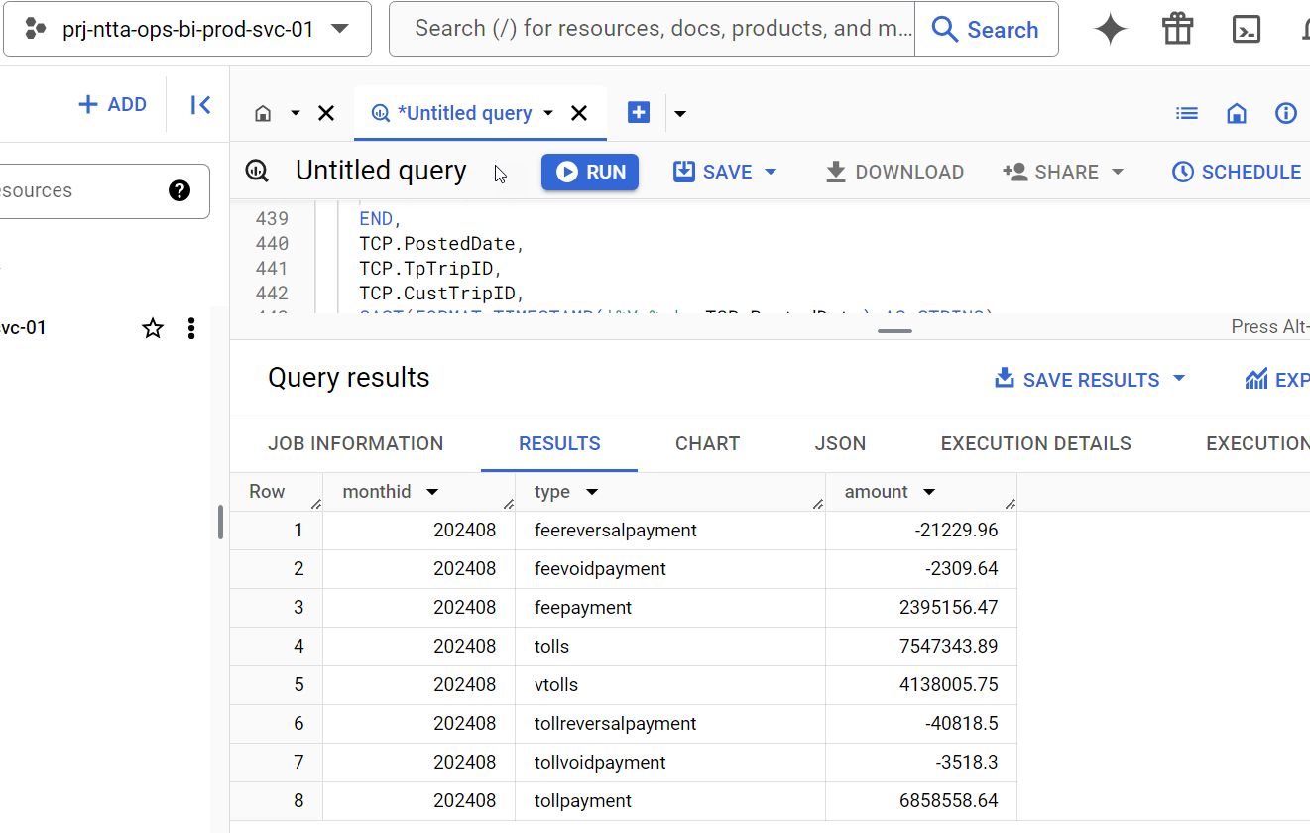

Running SP on OCT 1 2024 to Validate Insert Statement

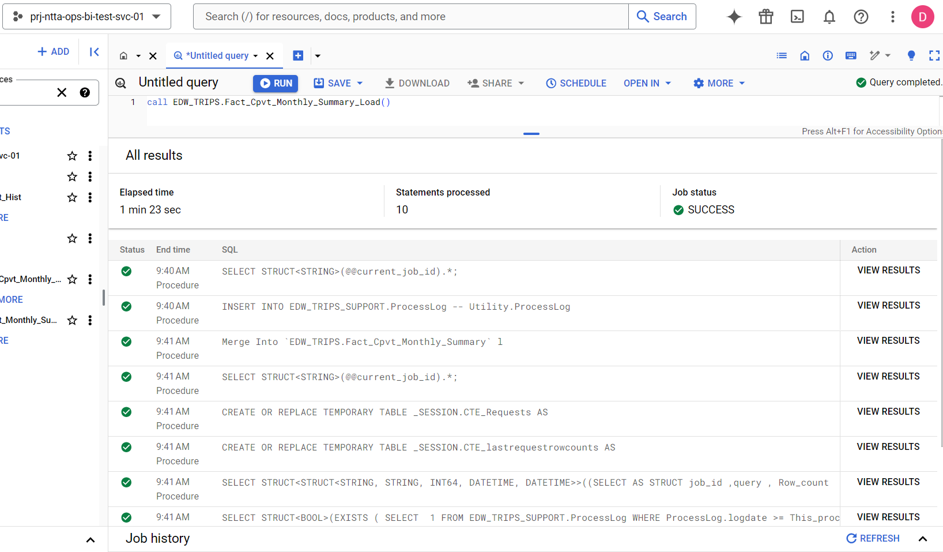

New Row 202409 Inserted

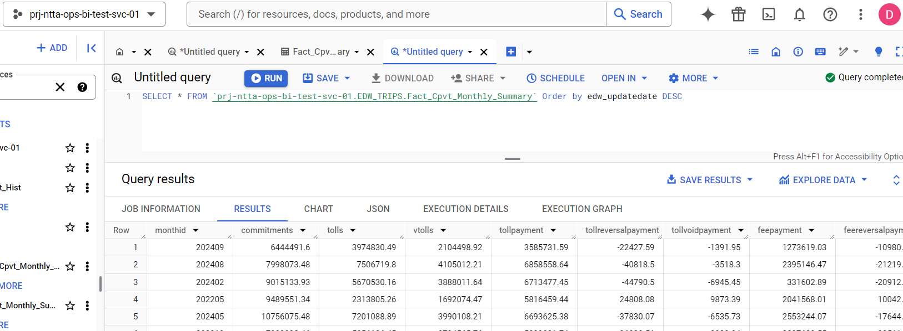

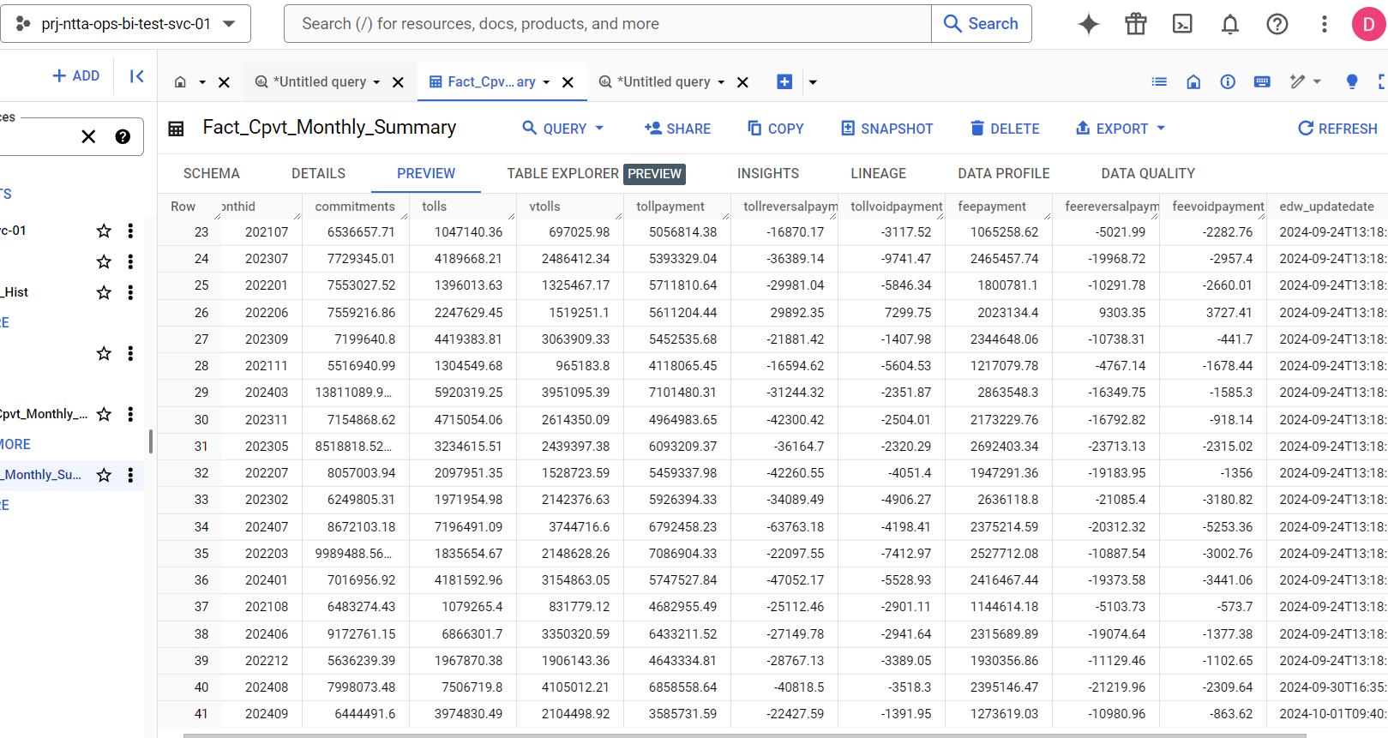

APS VS BIG QUERY

